GRV
 | Bottom | Area Compartment A |  |  | Volume Compartment A |  |  | Bottom | Area Compartment B |  |  | Volume Compartment A
 | TVD | km2 | ft2 | acre | ft3 | acre-ft |  | TVD | km2 | ft2 | acre | ft3 | acre-ft
Top | 9770.00 | 0.00 | 0.00 | 0.00 |  |  | Top | 9770.00 | 0.00 | 0.00 | 0.00
Layer 1 | 9800.00 | 0.086578876646 | 931588.71 | 21.39 | 13973830.69 | 320.91 | Layer 1 | 9800.00 | 0.019414135985 | 208896.10 | 4.80 | 3133441.55 | 71.96
Layer 2 | 9900.00 | 0.38616500941 | 4155135.50 | 95.42 | 254336210.70 | 5840.87 | Layer 2 | 9900.00 | 0.1516904058 | 1632188.77 | 37.48 | 92054243.48 | 2114.04
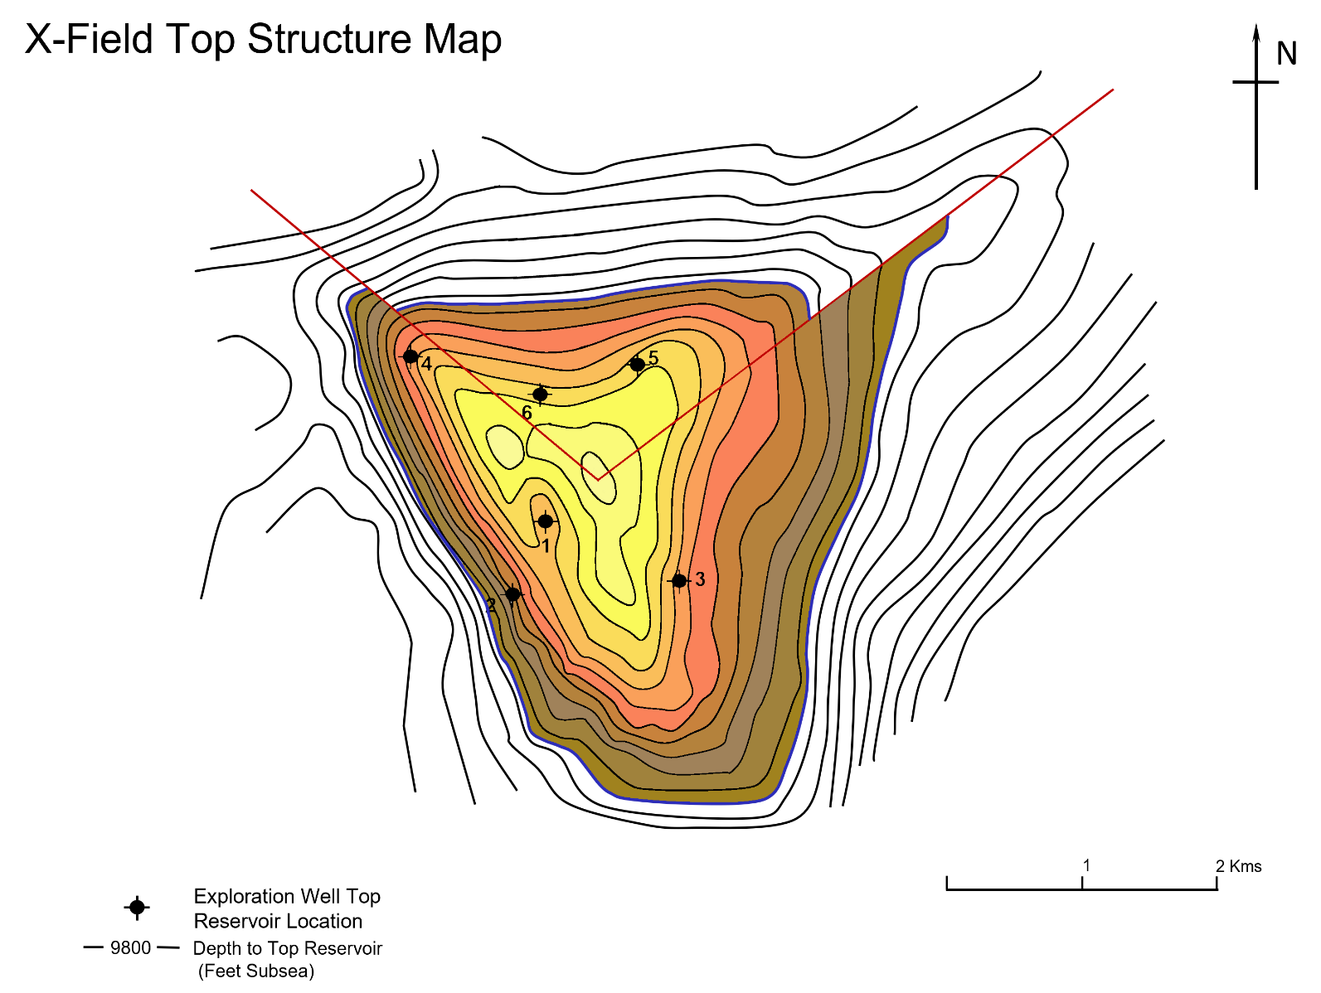
Layer 3 | 10000.00 | 0.95817253426 | 10309936.47 | 236.77 | 723253598.50 | 16609.63 | Layer 3 | 10000.00 | 0.44522440204 | 4790614.57 | 110.02 | 321140166.62 | 7375.03
Layer 4 | 10100.00 | 1.516054824 | 16312749.91 | 374.62 | 1331134318.73 | 30569.70 | Layer 4 | 10100.00 | 0.67778554152 | 7292972.43 | 167.48 | 604179349.64 | 13875.07
Layer 5 | 10200.00 | 2.0351840903 | 21898580.81 | 502.90 | 1910566535.88 | 43876.44 | Layer 5 | 10200.00 | 0.93474872346 | 10057896.26 | 230.98 | 867543434.56 | 19923.26
Layer 6 | 10300.00 | 2.5535931201 | 27476661.97 | 631.01 | 4378941187.85 | 100563.04 | Layer 6 | 10300.00 | 1.1937866165 | 12845143.99 | 294.99 | 2013811642.03 | 46247.48
Layer 7 | 10400.00 | 3.3079494759 | 35593536.36 | 817.41 | 3153509916.69 | 72420.82 | Layer 7 | 10400.00 | 1.5021123354 | 16162728.73 | 371.18 | 1450393636.12 | 33308.51
Layer 8 | 10500.00 | 4.0581671594 | 43665878.63 | 1002.79 | 3962970749.80 | 91010.21 | Layer 8 | 10500.00 | 1.8249502822 | 19636465.04 | 450.95 | 1789959688.26 | 41106.69
Layer 9 | 10600.00 | 4.8529320075 | 52217548.40 | 1199.18 | 4794171351.79 | 110098.86 | OWC | 10560.00 | 1.9909809191 | 21422954.69 | 491.98 | 1231782591.78 | 28288.07
Layer 10 | 10700.00 | 5.6040204246 | 60299259.77 | 1384.78 | 5625840408.49 | 129198.26 |  | TOTAL | 8.72 | 93840964.47 | 2155.07 | 8370864752.49 | 192238.15
Layer 11 | 10800.00 | 6.60799785 | 71102056.87 | 1632.87 | 6570065831.77 | 150882.54
OWC | 10845.00 | 7.1829400699 | 77288435.15 | 1774.94 | 3338786070.41 | 76675.72
 | TOTAL | 39.06 | 420319779.84 | 9652.71 | 36043576180.60 | 827746.09
Compartment A - South
Compartment B - North

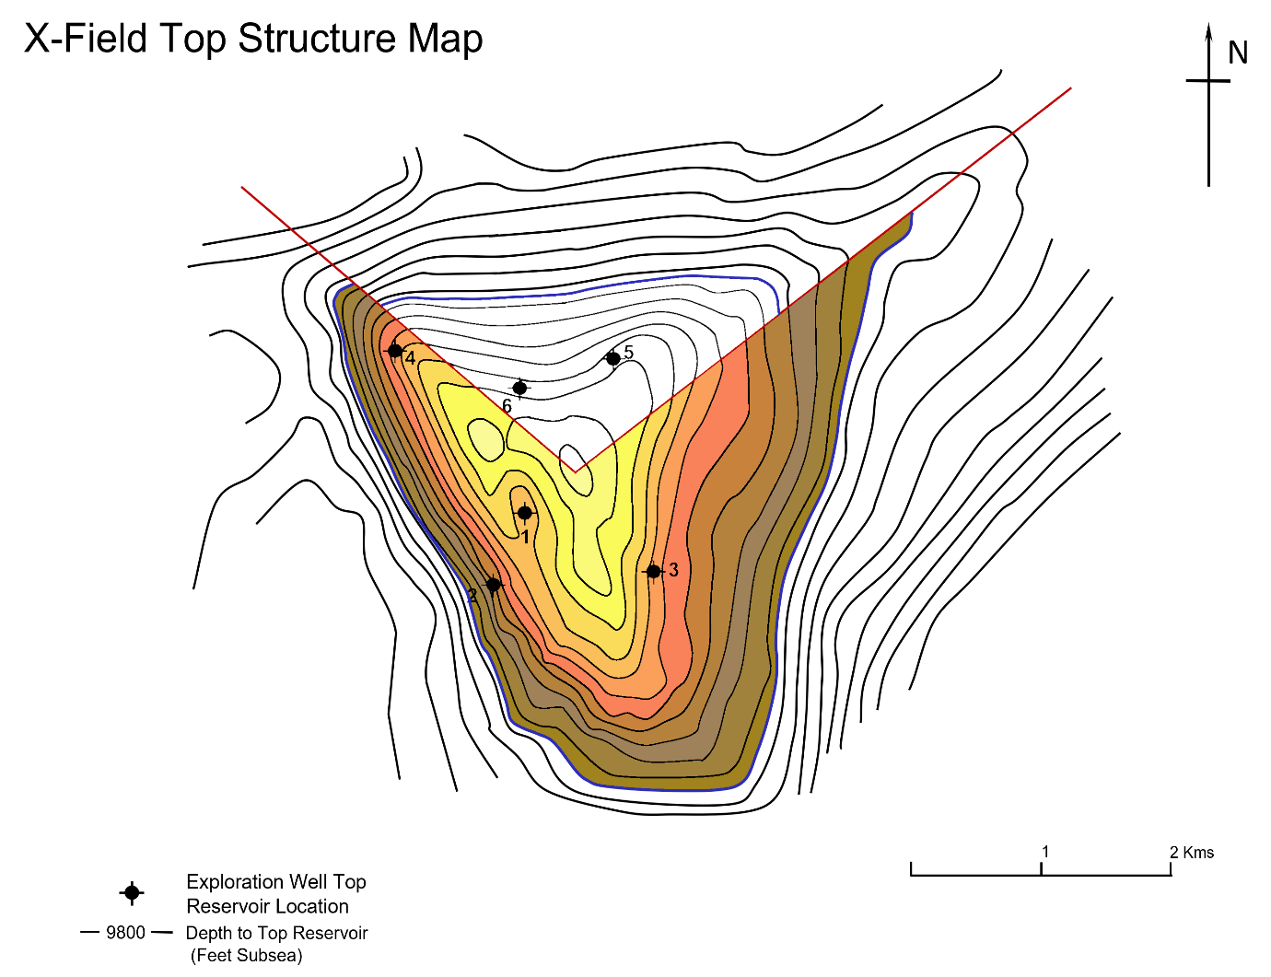
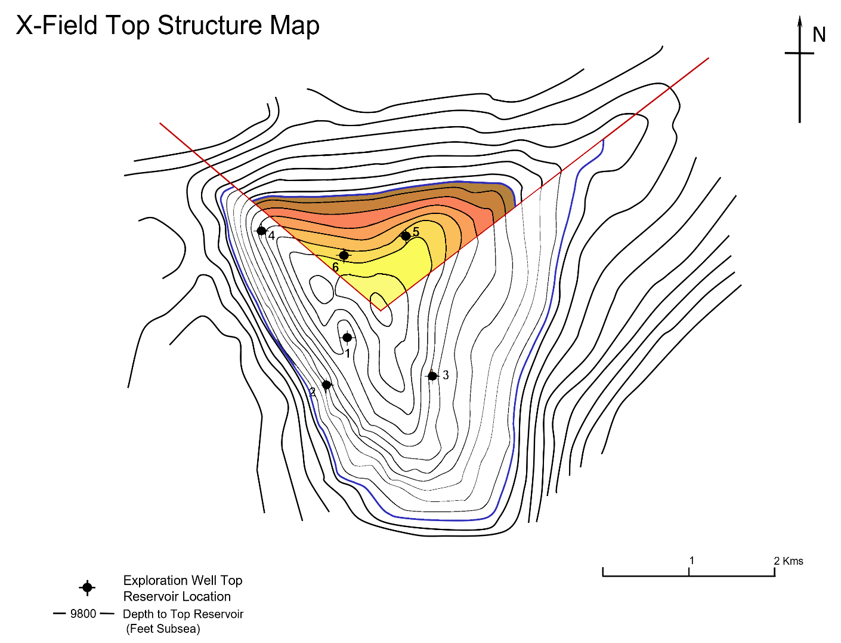

Overall FIeld Top Structure Map

Compartment A Top Structure Map
Compartment B Top Structure Map

